PAGE 1
SKU | Product Name | Color | Qty | Product Link | Product Main Image
TK060204061BK8 | Trendy Summer EVA Women's slippers Non-slip CloudSlippers Home Bedroom Shower Sandals Indoor OutdoorWomen's Buckle Opening Comfortable Flip Flops FlatsWalking Shoes Footwear | Black | 60 | https://shop.tiktok.com/view/product/1729455089195520698?region=US&locale=en&source=seller_center | 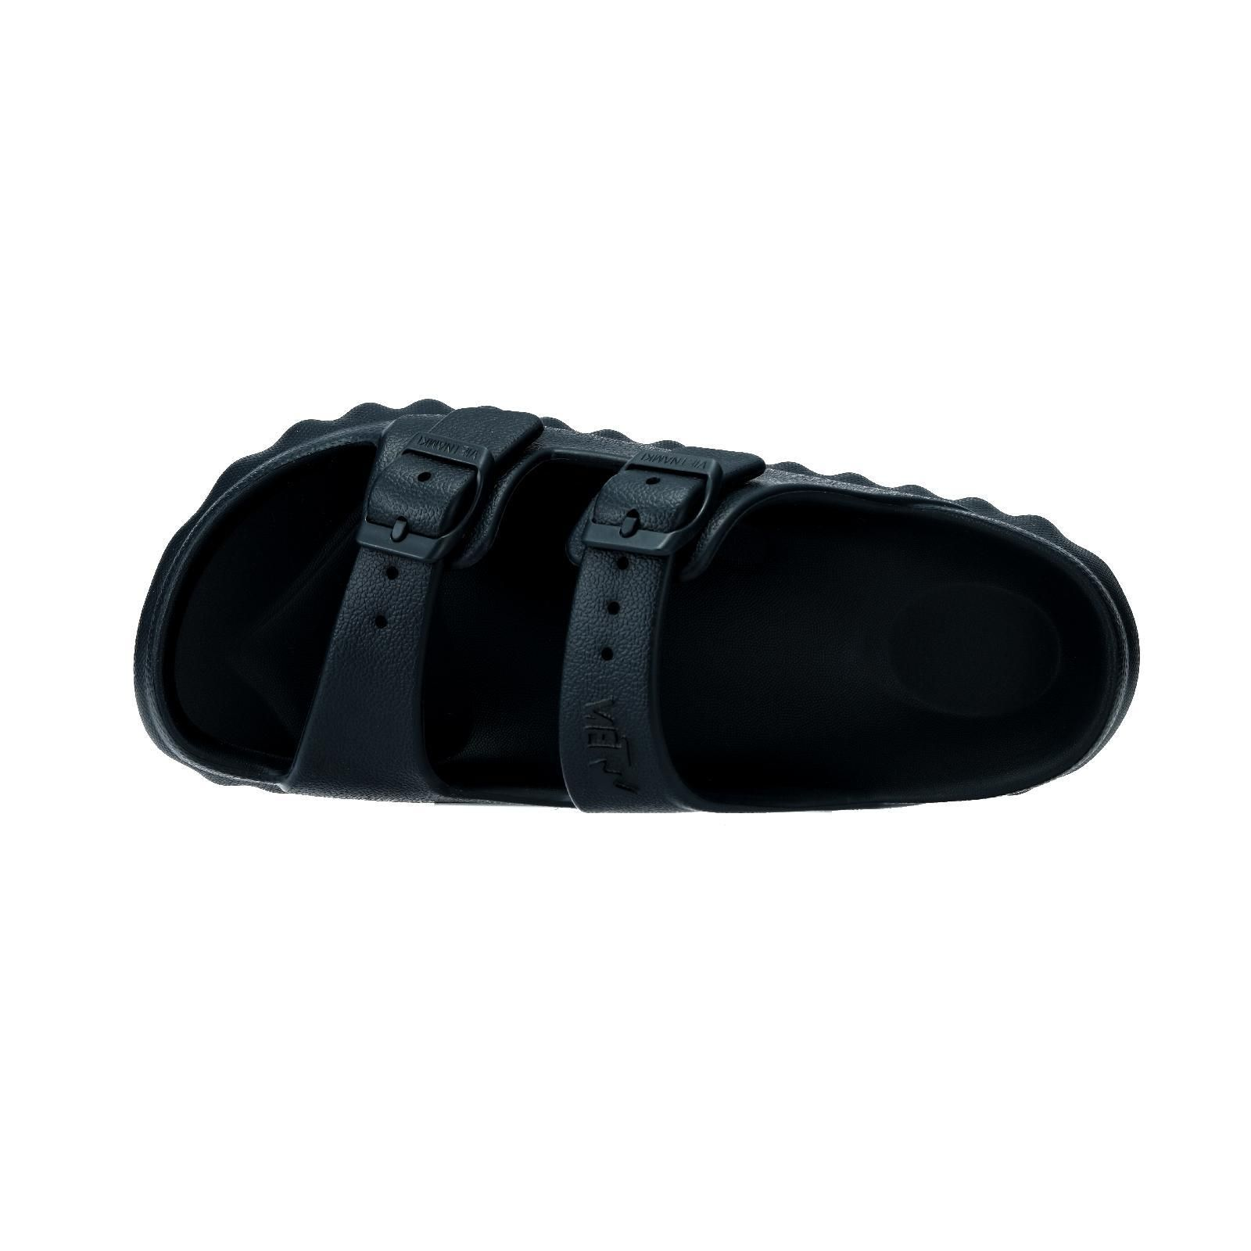
TK060204061BK9 |  | Black | 121
TK060204061BK10 |  | Black | 43
 |  | total | 224

PAGE 2
SKU | Product Name | Color | Qty | Product Link （链接） | Product Main Image
TK060204003BK6 | Summer Women's EVA Sport Slippers,Doublesole design, close to the instep, verycomfortable, Home Sandals for Indoor & OutdoorUse. Kitchen | Black | 375 | https://shop.tiktok.com/view/product/1729495525139321530?region=US&locale=en&source=seller_center | 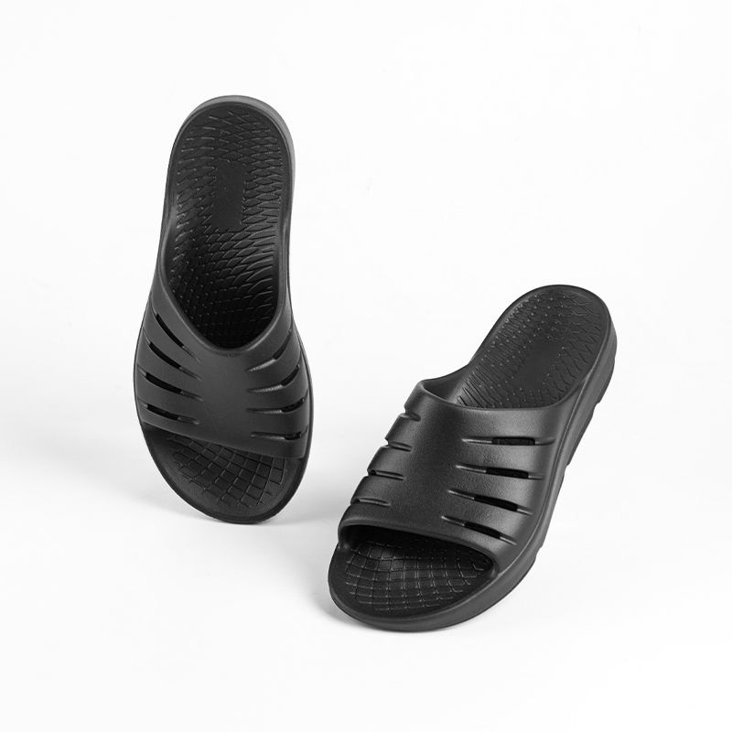
TK060204003BK7 |  | Black | 375
TK060204003BK8 |  | Black | 650
TK060204003BK9 |  | Black | 680
TK060204003BK10 |  | Black | 713
TK060204003BK11 |  | Black | 660
TK060204003BK12 |  | Black | 331
TK060204003WT6 |  | WHITE | 373 |  | 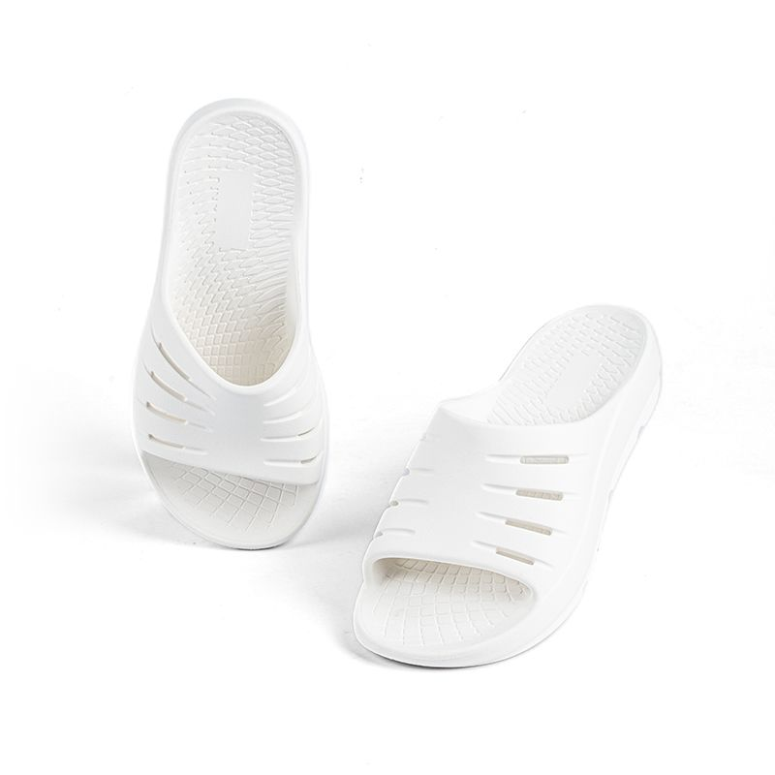
TK060204003WT7 |  | WHITE | 89
TK060204003WT8 |  | WHITE | 117
TK060204003WT10 |  | WHITE | 114
TK060204003WT11 |  | WHITE | 621
TK060204003WT12 |  | WHITE | 82
 |  | total | 5180

PAGE 3
SKU | Product Name （产品名称） | Color | Qty | Product Link | Product Main Image
TK060204004BK6 | Women's flip-flops slippers sandals,non-slipsummer and fall slippers,suitable for homebedroom shower sandals indoor outdoor,doublebottom thickening design,black slippers whiteslippers green slippers pink slippers. | Black | 505 | https://shop.tiktok.com/view/product/1729557812546081064?region=US&locale=en&source=seller_center | 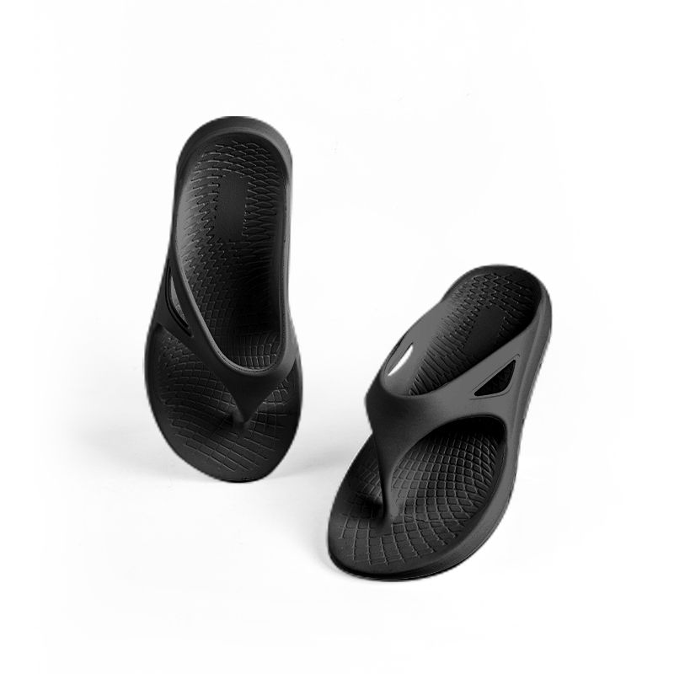
TK060204004BK7 |  | Black | 446
TK060204004BK8 |  | Black | 488
TK060204004BK9 |  | Black | 615
TK060204004BK10 |  | Black | 668
TK060204004BK11 |  | Black | 302
TK060204004BK12 |  | Black | 550
TK060204004WT6 |  | White | 39 |  | 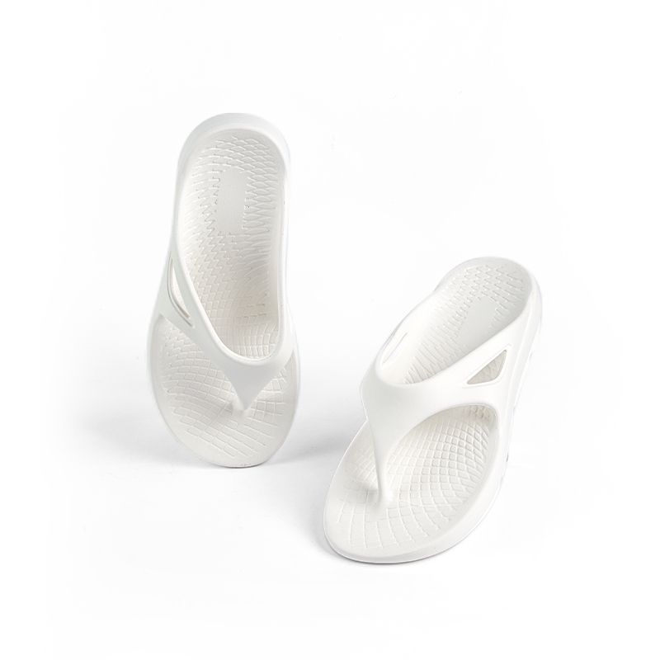
TK060204004WT7 |  | White | 59
TK060204004WT8 |  | White | 55
TK060204004WT9 |  | White | 394
TK060204004WT10 |  | White | 91
TK060204004WT11 |  | White | 217
TK060204004WT12 |  | White | 202
 |  | total | 4631

